Sheet3
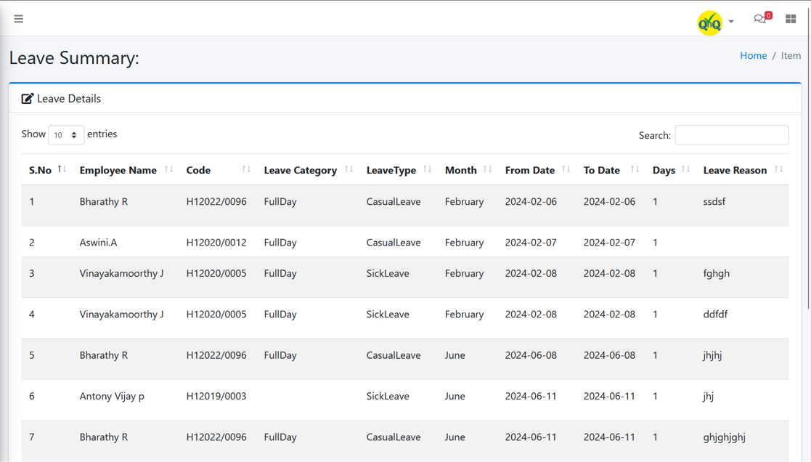

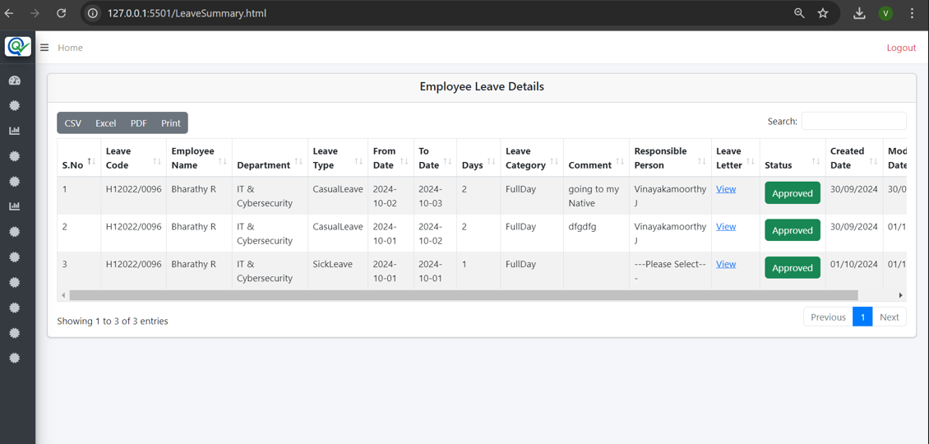

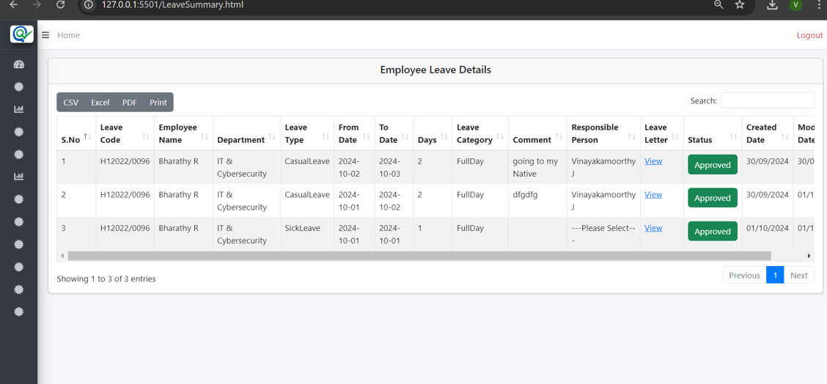

 | S.No | Module Name | SS
 | 1 | Add Optical Items | Yes
 | 2 | Optical Rate Details | Yes
 | 3 | Optical Rate History | Yes
 | 4 | Add Purchase | Yes
 | 5 | Purchase History | No
 | 6 | Add Branch Transfer | Yes
 | 7 | Branch Transfer History | Yes
 | 8 | Overall Stock movement Details | Yes
 | 9 | Warehouse Stock Movement | Yes
 | 10 | Branch Stock Movement | Yes
 | 11 | Purchase Report | Yes
 | 12 | Transfer Report | Yes
 | 13 | Add Suplier | Remove
 | 14 | Branch Transfer Approval | No
 | 15 | Branch Inward Status | No
 | 16 | Sales Report | No
 | 17 | Purchase History | No

 | S.No | Module Name | Test Case Status
 | 1 | Add Optical Items | Done
 | 2 | Optical Rate Details | Done
 | 3 | Optical Rate History | Done
 | 4 | Add Purchase | Done
 | 5 | Purchase History | Done
 | 6 | Add Branch Transfer | Done
 | 7 | Branch Transfer Approval | Done
 | 8 | Branch Transfer History | Done
 | 9 | Overall Stock movement Details | Done
 | 10 | Warehouse Stock Movement | Done
 | 11 | Branch Inward Status | 3.5
 | 12 | Branch Stock Movement | 3.5
 | 13 | Purchase Report | 3.5
 | 14 | Transfer Report | 3
 | 15 | Sales Report | 2.5
 |  | Total | 16

 |  | CateRPTgory Wise Stock Movement
S.No | Bug ID | Bug Title | Severity
1 |  | Unable to generate the report details for all categories | High
2 |  | Even with an empty list grid, the downloaded Excel file shows certain values | High
3 |  | The system takes a long time to load when the "Get" button is clicked | Critical
4 | OC-595 | OptCrm-PrsLst- No record available message not display in list grid | Low
5 | OC-366 | OptCrm-BranchHis- Refresh icon not available to clear the search filter values | Medium
6 | OC-372 | Download options display in bottom of the list grid | Medium
8 | OC-373 | OptCrm-BranchHis- The history grid displays values after clearing the selected filter | High
9 | OC-374 | OptCrm-BranchHis- Search filter and Pagination not display | Medium
10 | OC-45 | OptCrm-AddItem- An unwanted page is being opened when clicking the Home button | Critical
11 |  | The button name is not displayed as "Get Details" or "Generate Report | Low
12 | OC-179 | OptCrm-RateHis- Model No. value display as empty in History list grid | Low
13 | OC-239 | OptCrm-AddPur- Placeholder/Inner Text not display in search field | Low
14 |  | Mismatch values display in Category Wise list grid while update the records | Critical
15 |  | The export button and scrollbar are misaligned | Low
17 | OC-46 | OptCrm-AddItem- Improper alignment display in list grid | Low
16 |  | Group by column header not display middle of the column | Low
18 |  | Menu name not display properly | Medium
19 |  | "Not Transfer Approved" appears in the Category Wise Stock Movement Details list grid | High
20 |  | Mismatch column order alignment display in export excel

 |  | Test Case Status

 | S.No | Module Name | Test Case Status | Bug Verification Status
 | 1 | Add Optical Items | Done
 | 2 | Optical Rate Details | Done
 | 3 | Optical Rate History | Done
 | 4 | Add Purchase | Done
 | 5 | Purchase History | Done
 | 6 | Add Branch Transfer | Done
 | 7 | Branch Transfer Approval | Done
 | 8 | Branch Transfer History | Done
 | 9 | Branch Inward | Done
 | 10 | Branch Current Stock | Done
 | 11 | Billing Page or Sales Entry | Done | 2024-12-04
 | 12 | Invoice List | Done
 | 13 | Invoice Print | Done
 | 14 | Sales Report | Done
 | 15 | Prescription Entry | Done
 | 16 | Prescription List | Done
 | 17 | Category Wise Stock Movement | Done
 | 18 | Item Wise Stock Movement | Done
 | 19 | Branch Stock Movement | Done
 | 20 | Stock Movement Details | Done
 | 21 | Purchase Report | Done
 | 22 | Transfer Report | Done

 |  | Bug Verification Status

 | S.No | Module Name | Bug Verification Status | Bug count
 | 1 | Add Optical Items | Done | 15
 | 2 | Optical Rate Details | Done | 11
 | 3 | Optical Rate History | Done | 8
 | 4 | Add Purchase | In-progress | 14
 | 5 | Purchase History | YTS
 | 6 | Add Branch Transfer | YTS
 | 7 | Branch Transfer Approval | YTS
 | 8 | Branch Transfer History | YTS
 | 9 | Branch Inward | YTS
 | 10 | Branch Current Stock | YTS
 | 11 | Billing Page or Sales Entry | YTS
 | 12 | Invoice List | YTS
 | 13 | Invoice Print | YTS
 | 14 | Sales Report | YTS
 | 15 | Prescription Entry | YTS
 | 16 | Prescription List | YTS
 | 17 | Category Wise Stock Movement | YTS
 | 18 | Item Wise Stock Movement
 | 19 | Branch Stock Movement
 | 20 | Stock Movement Details
 | 21 | Purchase Report
 | 22 | Transfer Report
 |  | Total |  | 48

 |  |  |  |  | 2024-12-11
 |  |  |  |  | Total Bug Details |  |  |  |  | Severity
 |  |  |  |  | Bug Count | Close | Reopen | New |  | High | Critical
 |  |  |  |  | 10 | 7 | 3 | 0 |  | 9 | 1

 |  |  |  |  | 2024-12-12
 |  |  |  |  | Total Bug Details |  |  |  |  | Severity
 |  |  |  |  | Bug Count | Close | Reopen | New | Hold | High | Critical
 |  |  |  |  | 16 | 6 | 5 | 2 | 3 | 15 | 1

